1. Title Page
Instacart Grocery Basket Analysis

Project Name: Instacart Grocery Basket Analysis
Date:
Analyst Name: Luis Gonzalez

Contents:
Population Flow
Consistency checks
Wrangling steps
Column derivations
Visualizations
Recommendations

Data sets pulled from "The Instacart olnine Grocery Shopping Dataset 2017", accessed from www.instacart.com/datasets/grocery_shopping-2017 via Kaggle

2. Population Flow
Title page

Population flow

Exclusion flag
Condition: max_order < 5
Obervations to be removed: 1440355
Final total count of order_products_all: 3965686

Orders_products_combined
Orders_products_merged
Orders_products_all

Total: 32406041
Total: 32406041
Total: 32606041

1.) The grey boxes in the first row of the population flow represent the original data sets as they were when you downloaded them. In the Total fields you need to add the count of the rows when you imported the data set into Jupyter.
2.) The second row of boxes (coloured) represents the data sets after you manipulated them, e.g., removed missing values and duplicates. In the Total fields you need to add the count of the rows after conducting these operations. This offers a visual oveview of how the data flows throughout the data consistency checks.
3.) The third row, where also the arrows are coloured, represents the merges you performed between the datasets. In the Total fields you need to add the count of the rows in the merged datasets, so that you end up with the final dataset (in the red box). Keep in mind the final dataset should be without exclusions (based on the exclusion flag).

3. Consistency checks
 |  |  |  | Title page
Consistency checks

Dataset | Missing values | Missing values treatment | Duplicates
orders | none | none | No duplicates
products | 16 | Rows removed | 5 duplicate values removed
orders_products_prior | Prices > 100 (error) | Removed | No duplicates
customers | 11259 missing first names | Left alone | No duplicates

4. Wrangling steps
 |  |  |  | Title page
Wrangling steps

Columns dropped | Columns renamed | Columns' type changed | Comment/Reason
eval_set |  |  | Irrelevant
 | Order_dow to Orders_day_of_week |  | Readability
 |  | order_id, order_number, user_id | Changed to string, number is identifier
Unnamed: 0.1 and Unnamed:0 |  |  | Irrelevant, duplicates of other columns
 |  | user_id, order_id | Changed to object
 |  | aisle_id, department_id, prince_range_loc, busiest day, busiest period of day, loyalty flag, spending flag, frequency flag, gender, state, fam_status, region, activity flag, department, department group | Changed to category for memory
 |  | orders day of week, order hour of day, reordered, max order, age, dependants, income | Changed integer type for memory
First Name, Surname |  |  | Security concerns, considered PII

5. Column derivations
 |  |  |  | Title page

Column derivations and aggregations

In this tab you should add tables below that the frequences of flags/label variables that you produced after deriving them. NB: don't do this for continuous variables, only for flags.
Dataset | New column | Column/s it was derived from | Conditions
ords_prods_merge | price_range_loc | prices | see below
ords_prods_merge | busiest day | orders day of week | see below
ords_prods_merge | busiest_period_of_day | order_hour_of_day | see below
ords_prods_merge | max order | order number | see below
ords_prods_merge | loyalty flag | max order | see below
ords_prods_merge | average price | prices | avg item price
ords_prods_merge | spending flag | avg item price | see below
ords_prods_merge | median days since prior order | days since prior order | avg days since prior order
ords_prods_merge | frequency flag | median days since prior order | see below
df | Region | STATE | see below
df | Activity_flag | max order | See below
df | Age group | Age | see below
df | Income Bracket | Income | see below
df | Provider status | fam_status and dependants | see below

Price Range Loc |  |  | Loyalty flag | Activity flag
Price < 5 = low-range product |  |  | Max order > 40 = loyal customer | Max orders <5 = Low activity
Price >=5 & <=15 = mid-range product |  |  | max order <=40 & >10 = regular customer
Price >15 = high-range product |  |  | Max order <=10 = new customer | Age group
 |  |  |  | Age < 30 = Young adult
Busiest Day |  |  | Spending Flag | Age >=30 & <45 = Adult
Orders day of week = 0,1 (Saturday, Sunday) = Busiest days |  |  | Average price < 10 = Low spender | Age >=45 & <65 = Middle Aged
Orders day of week = 3,4 (Wednesday, Thursday) = Slowest days |  |  | Average price >=10 = High spender | Age >=65 = Elderly
Orders day of week = else = Regularly busy
 |  |  | Frequency flag | Income Bracket
Busiest Period of Day |  |  | Median days since prior order >20 = non-frequent customer | Income <50000 = Low income
order hour of day = 10, 11, 12, 13, 14, 15, 16 = Most orders |  |  | median days since prior order >10 & <=20 = regular customer | Income >=50000 & <100000 = Middle income
order hour of day = 0, 1, 2, 3, 4, 5 = Fewest orders |  |  | median days since prior order <=10 frequent customer | Income >= 100000 = High Income
order hour of day = else = average orders
 |  |  | Region | Provider status
Max Order |  |  | Users placed into regions based on state. | fam_status = married and dependants = 1 --> married, no dep
user ids grouped by order number, transform function performed |  |  | Following regions: | fam_status = married and dependants = 2,3 --> married, dep
to find max number in order number column to find total order amount |  |  | Northeast | fam_status = single or divorced/widowed --> single, no dep
 |  |  | Midwest | fam_status = living with parents/siblings --> single, dep
 |  |  | South
 |  |  | West

6. Visualizations
 | Title page

Visualisations

In this tab you should include all the visualtions from Exercises 4.9 and 4.10, alongside the questions from the project brief that they answer. Include any commentary on the relationship between different variables.



Histogram made to show the busiest hours of the day. The 6 busiest hours, which were labeled earlier, are 10am through 3pm. The histogram shows that orders start ramping up quickly after 6 am and start slowing down after 4pm.

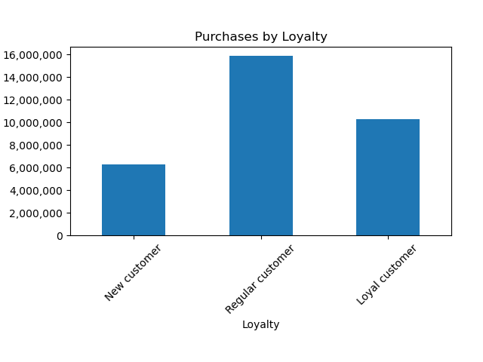

Bar chart displaying that regular customers make up for ~50 percent of purchases.

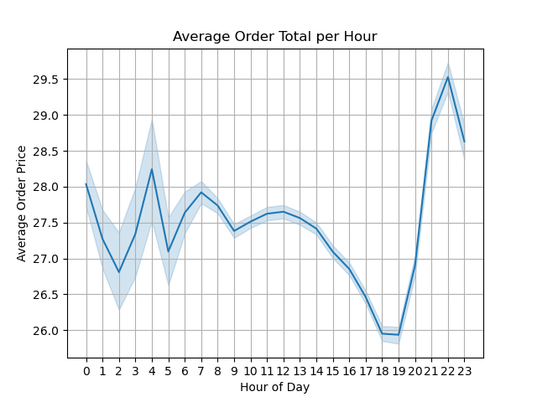

This is a line chart showing the price of the average order during the day. Order totals are relatively stable until 12pm at which point they decrease to a low from 6pm to 7pm after which they increase sharply to a high at 10pm

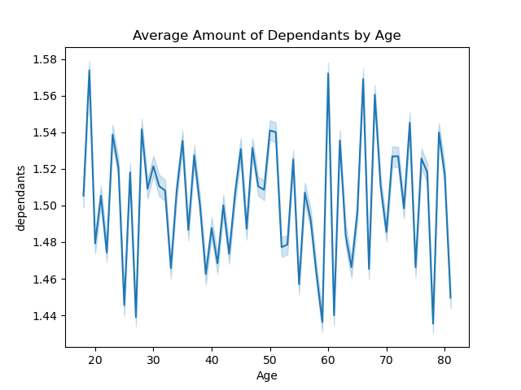

This line chart was used to determine if there's a relationship between the amount of dependants a customer has and their age. Their appears to be no discernible trend, the chart depicts a lot of variability but the yaxis parameters demonstrate that the difference is from 1.4 to 1.6.



This scatterplot was made to determine how age relates to income. As can be seen, there's a sharp increase in incomes starting around age 40.

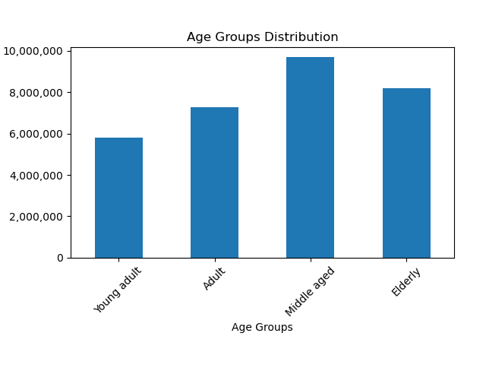

This chart was made to show the distribution of customers across different age profiles.

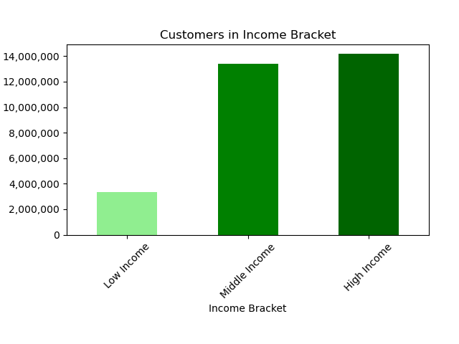

This chart was made to show the distribution of customers across different income brackets

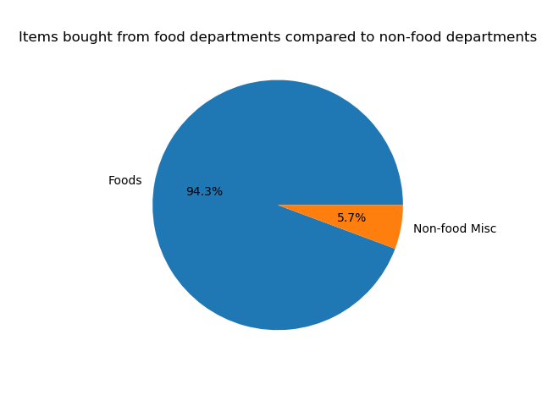

Pie chart showing that by far the majority of products purchased on Instacart are foods and not household products

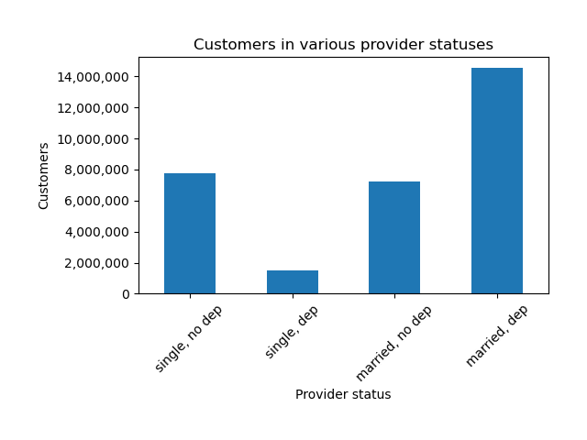

This chart demonstrates the distribution of customers across different provider statuses

Single, no dependants
Single with dependants
Married, no dependants
Married with dependants

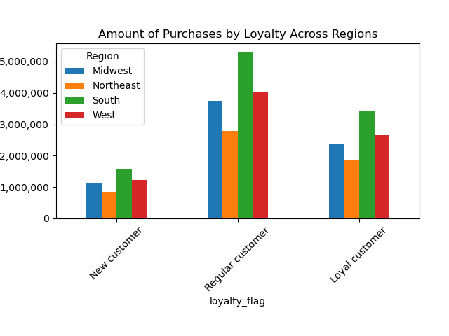

Bar chart showing amounts of purchases separated by loyalty and region

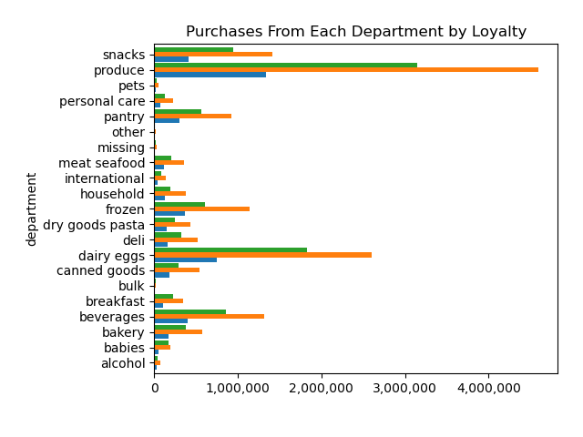

Chart depicting purchases across departments by customers organized by loyalty

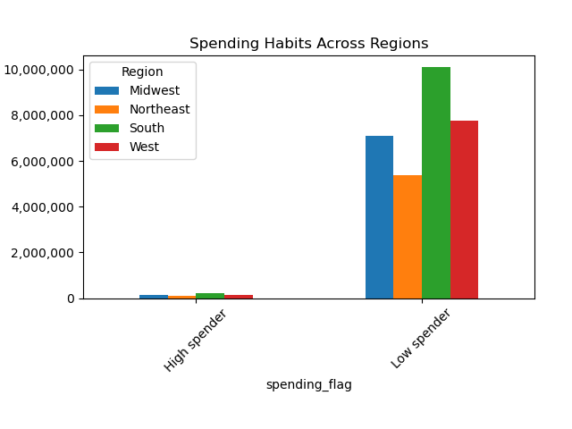

Chart depicting difference between high spenders and low spenders across regions

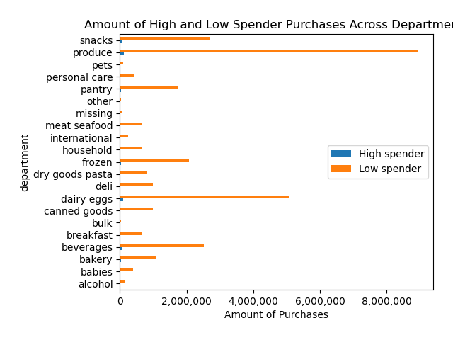

Bar chart showing the difference between high spenders and low spenders across departments, in regards to individual product price.

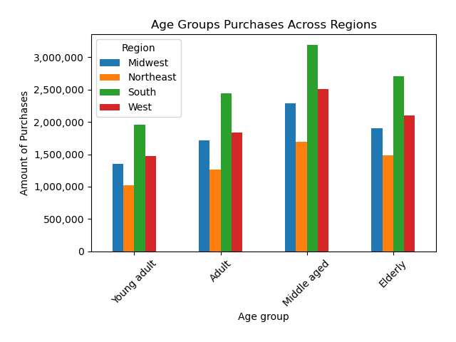

Bar chart depicting the amount of purchases by customers organized into region and age group.

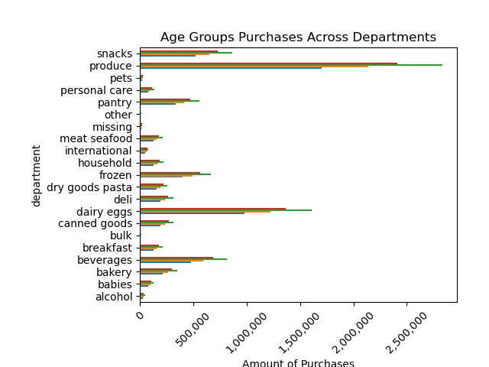

Bar chart depicting purchases across departments by customers of different age groups

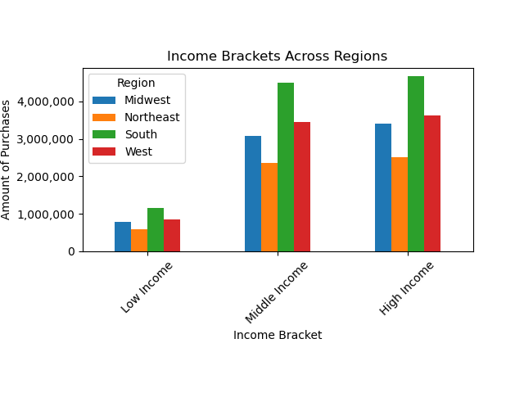

Bar chart depicting purchase amounts across income brackets and regions

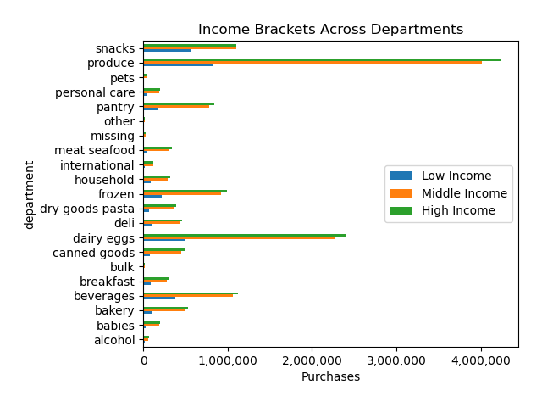
Bar chart depicting purchases by income brackets across departments

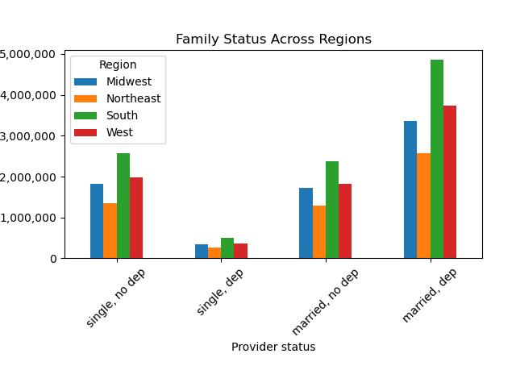

Bar chart depicting purchases organized by region and family status

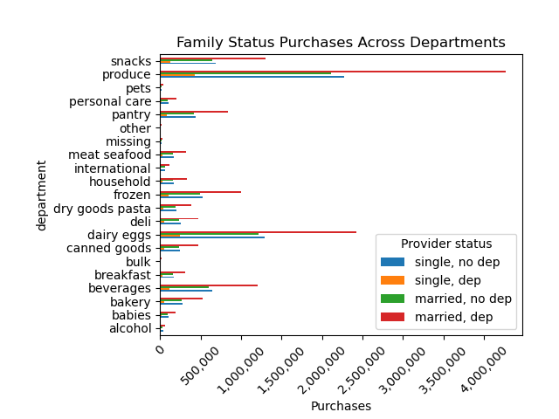

Bar chart depicting difference in purchases organized by department and family status

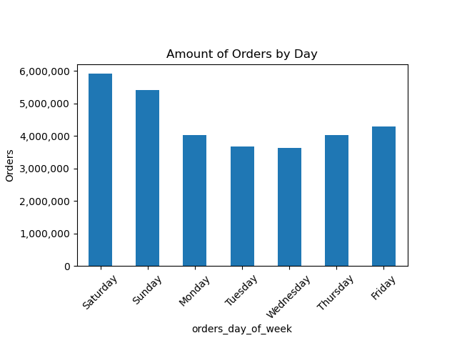

Bar chart showing the amount of orders across each day of the week

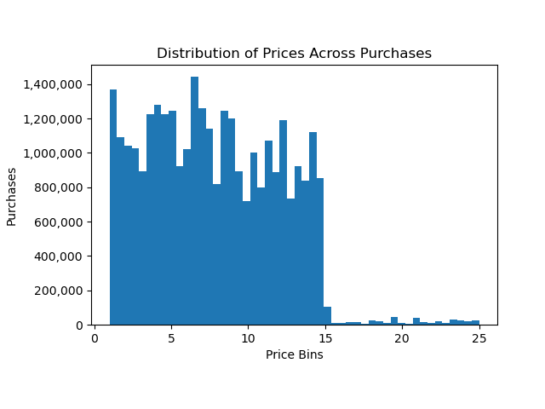

Histogram showing the amount of purchases of items by cost.

7. Recommendations
 |  |  |  |  |  |  |  |  |  |  |  | Title page

Recommendations

In this tab you should include any recommendations you would made to Instcart in terms of their marketing strategy based on the questions posed in the brief. Every key question has been covered in the Tasks of the Exercises - here you need to add an item - a visualisation or table/crosstable that is showing the answer in the data, acompanied by a comment from you. Please, list the questions below and add the answer underneath.

Question
The sales team needs to know what the busiest days of the week and hours of the day are (i.e., the days and times with the most orders) in order to schedule ads at times when there are fewer orders
Answer
The busiest days of the week are Saturday and Sunday with Tuesday and Wednesday being the slowest days of the week. The busiest times of day ranged from 9am to 4pm.

Ads could be scheduled to increase customer activity during the middle of the week, something along the lines of getting what you need to get through the week.

To increase activity during slower hours, ads could be made to target late night food runs for younger adults, or ads targeting professions that potentially have off-working hours, like nurses and police officers.

Question
They also want to know whether there are particular times of the day when people spend the most money, as this might inform the type of products they advertise at these times.

Answer
Customers have the highest average order price around 10 pm, additionally the lowest order prices are from 6pm to 7pm.

An ad campaign around getting that special product just in time for a special dinner with quick delivery could spur order totals. Something like a bottle of wine or fancy cheeses/meats for charcuterie.

Question
Instacart has a lot of products with different price tags. Marketing and sales want to use simpler price range groupgings to help direct their efforts.

Answer |  |  |  |  |  |  |  | Product classification | # of product purchases
The histogram provided shows most products that are purchased have a price between $1 to $14. |  |  |  |  |  |  |  | Low-range product | 9459108
 |  |  |  |  |  |  |  | Mid-range product | 21108625
Request was made to make low-range products count as <$5, mid-range products >=5 and <15, and high-range products >=15. It would be a good idea to split up the middle range into 5-10 and 10-15 given the amount of products in that range. |  |  |  |  |  |  |  | High-range product | 397953

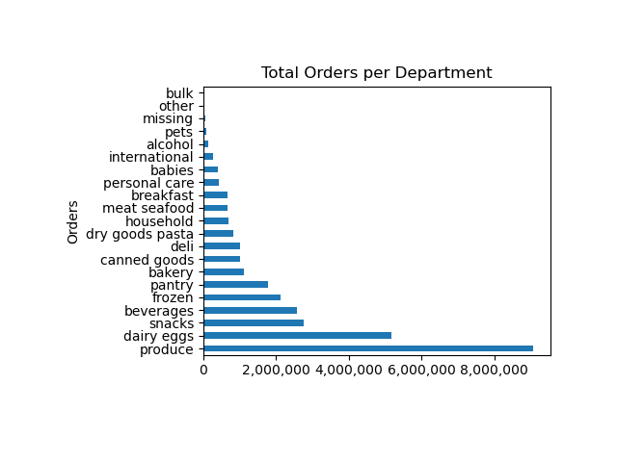
Question
Are there certain types of products that are more popular than others? The marketing and sales teams want to know which departments have the highest frequency of product orders

Answer
Food in general is by far the most purchased product, which makes sense given that this is for a grocery shopping. There may be merit in grouping non-grocery items to their linked grocery items to increase sales, such as diapers with baby food or foil baking pans with flour and pasta.

The produce department by far has the most orders, which makes sense given the amount of products and perishability.

As can be seen while tracking total amount spent, there's generally a relationship between the amount of purchases and total spent in individual departments.

 |  |  |  |  |  |  |  |  |  | Department | Total Spent
 |  |  |  |  |  |  |  |  |  | other | 239,569.20
 |  |  |  |  |  |  |  |  |  | bulk | 279,212.80
 |  |  |  |  |  |  |  |  |  | missing | 560,933.30
 |  |  |  |  |  |  |  |  |  | pets | 734,009.70
 |  |  |  |  |  |  |  |  |  | alcohol | 1,179,302.30
 |  |  |  |  |  |  |  |  |  | international | 1,965,702.90
 |  |  |  |  |  |  |  |  |  | babies | 3,133,096.40
 |  |  |  |  |  |  |  |  |  | personal care | 3,394,230.60
Question |  |  |  |  |  |  |  |  |  | household | 5,164,910.30
The marketing and sales teams are particularly interested in the different types of customers in their system and how their ordering behaviors differ. |  |  |  |  |  |  |  |  |  | breakfast | 5,394,979.80
 |  |  |  |  |  |  |  |  |  | dry goods pasta | 6,042,181.40
 |  |  |  |  |  |  |  |  |  | canned goods | 7,637,778.50
 |  |  |  |  |  |  |  |  |  | deli | 7,813,188.10
 |  |  |  |  |  |  |  |  |  | bakery | 8,806,886.20
 |  |  |  |  |  |  |  |  |  | meat seafood | 10,998,953.40
 | Regular customers account for roughly half of the total orders. |  |  |  |  |  |  |  |  | snacks | 11,827,920.30
 | Ad campaigns for repeat customers or increasing the availabilty |  |  |  |  |  |  |  |  | pantry | 14,287,456.50
 | of products could help drive repeat customers. |  |  |  |  |  |  |  |  | frozen | 16,408,884.00
 |  |  |  |  |  |  |  |  |  | beverages | 19,758,773.90
 | Babies, bulk, and dairy/eggs are the three departments with the highest percentage of loyal customers. |  |  |  |  |  |  |  |  | dairy eggs | 43,118,260.70
 |  |  |  |  |  |  |  |  |  | produce | 72,455,761.70

 |  | Department | New customer | Regular customer | Loyal customer | %Loyal
 |  | alcohol | 28647 | 77301 | 38726 | 26.8
 |  | babies | 46708 | 196576 | 167108 | 40.7
 |  | bakery | 172104 | 568851 | 379873 | 33.9
 |  | beverages | 396649 | 1320235 | 855017 | 33.2
 |  | breakfast | 106356 | 343650 | 221866 | 33.0
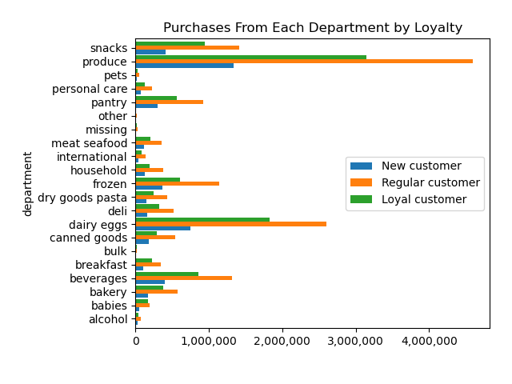
 |  | bulk | 4149 | 15468 | 13834 | 41.4
 |  | canned goods | 180196 | 537284 | 294594 | 29.1
 |  | dairy eggs | 750056 | 2596419 | 1830707 | 35.4
 |  | deli | 158335 | 521453 | 324046 | 32.3
 |  | dry goods pasta | 144836 | 434720 | 242580 | 29.5
 |  | frozen | 372271 | 1140000 | 609460 | 28.7
 |  | household | 128117 | 374867 | 196873 | 28.1
 |  | international | 43841 | 133756 | 78394 | 30.6
 |  | meat seafood | 112464 | 359837 | 202480 | 30.0
 |  | missing | 12713 | 33705 | 18350 | 28.3
 |  | other | 5839 | 17857 | 10715 | 31.1
 |  | pantry | 299576 | 922727 | 560402 | 31.4
 |  | personal care | 75447 | 225536 | 123376 | 29.1
 |  | pets | 15880 | 51711 | 25469 | 27.4
 |  | produce | 1336604 | 4595293 | 3147376 | 34.7
 |  | snacks | 413107 | 1410149 | 943150 | 34.1

For family status across departments, single households consistently represent a quarter of department sales. |  | department | single, no dep | single, dep | married, no dep | married, dep | %Single household |  | %Dependents
 |  | alcohol | 36852 | 8380 | 33254 | 66188 | 25 |  | 52
For family statuses that include dependants, those sales are consisntly 51-52% of all sales. |  | babies | 103328 | 19381 | 92835 | 194848 | 25 |  | 52
 |  | bakery | 281395 | 53684 | 262182 | 523567 | 25 |  | 52
There doesn't seem to be a link between an increase in department sales to family status. This is admittedly a bit confusing with the babies department. Perhaps there's errors in the data. |  | beverages | 645341 | 119107 | 597819 | 1209634 | 25 |  | 52
 |  | breakfast | 166720 | 33233 | 158201 | 313718 | 25 |  | 52
 |  | bulk | 8000 | 1633 | 8094 | 15724 | 24 |  | 52
 |  | canned goods | 251020 | 48477 | 236125 | 476452 | 25 |  | 52
 |  | dairy eggs | 1294376 | 250207 | 1211140 | 2421459 | 25 |  | 52
 |  | deli | 253382 | 48119 | 231739 | 470594 | 25 |  | 52
 |  | dry goods pasta | 204296 | 39542 | 191125 | 387173 | 25 |  | 52
 |  | frozen | 529348 | 102993 | 490333 | 999057 | 25 |  | 52
 |  | household | 171358 | 33349 | 164593 | 330557 | 24 |  | 52
 |  | international | 64461 | 12394 | 60436 | 118700 | 25 |  | 51
 |  | meat seafood | 165878 | 32344 | 158344 | 318215 | 25 |  | 52
 |  | missing | 15935 | 3317 | 14916 | 30600 | 25 |  | 52
 |  | other | 8714 | 1815 | 8137 | 15745 | 25 |  | 51
 |  | pantry | 443904 | 85845 | 417222 | 835734 | 25 |  | 52
 |  | personal care | 106227 | 20201 | 99045 | 198886 | 25 |  | 52
 |  | pets | 23602 | 5338 | 21388 | 42732 | 25 |  | 52
 |  | produce | 2275441 | 430539 | 2110997 | 4262296 | 25 |  | 52
 |  | snacks | 690438 | 131310 | 643409 | 1301249 | 25 |  | 52

A majority of customers are considered middle income or high income. There's validity to offering discounts on premium or luxury items to customers that can then afford it once the discounts go away.

